Question 1
 |  |  |  |  |  |  |  |  |  |  |  |  | total
 |  |  |  |  |  |  |  |  |  |  |  |  | 164
 |  |  |  |  |  |  |  |  |  |  |  |  | 136
 |  |  |  |  |  |  |  |  |  |  |  |  | 4
 |  |  |  |  |  |  |  |  |  |  |  |  | 17
 |  |  |  |  |  |  |  |  |  |  |  |  | 4
 |  |  |  |  |  |  |  |  |  |  |  |  | 74
 |  |  |  |  |  |  |  |  |  |  |  |  | 98
 |  |  |  |  |  |  |  |  |  |  |  |  | 59
 |  |  |  |  |  |  |  |  |  |  |  |  | 135
 |  |  |  |  |  |  |  |  |  |  |  |  | 149
 |  |  |  |  |  |  |  |  |  |  |  |  | 25
 |  |  |  |  |  |  |  |  |  |  |  |  | 82
 |  |  |  |  |  |  |  |  |  |  |  |  | 89
 |  |  |  |  |  |  |  |  |  |  |  |  | 112
 |  |  |  |  |  |  |  |  |  |  |  |  | 107
 |  |  |  |  |  |  |  |  |  |  |  |  | 36
 |  |  |  |  |  |  |  |  |  |  |  |  | 70
 |  |  |  |  |  |  |  |  |  |  |  |  | 125
 |  |  |  |  |  |  |  |  |  |  |  |  | 76
 |  |  |  |  |  |  |  |  |  |  |  |  | 60
 |  |  |  |  |  |  |  |  |  |  |  |  | 114
 |  |  |  |  |  |  |  |  |  |  |  |  | 15
 |  |  |  |  |  |  |  |  |  |  |  |  | 11
 |  |  |  |  |  |  |  |  |  |  |  |  | 92
 |  |  |  |  |  |  |  |  |  |  |  |  | 9
 |  |  |  |  |  |  |  |  |  |  |  |  | 71
 |  |  |  |  |  |  |  |  |  |  |  |  | 112
 |  |  |  |  |  |  |  |  |  |  |  |  | 127
 |  |  |  |  |  |  |  |  |  |  |  |  | 214
 |  |  |  |  |  |  |  |  |  |  |  |  | 126
 |  |  |  |  |  |  |  |  |  |  |  |  | 198
 |  |  |  |  |  |  |  |  |  |  |  |  | 103
 |  |  |  |  |  |  |  |  |  |  |  |  | 103
 |  |  |  |  |  |  |  |  |  |  |  |  | 181
 |  |  |  |  |  |  |  |  |  |  |  |  | 37
 |  |  |  |  |  |  |  |  |  |  |  |  | 40
 |  |  |  |  |  |  |  |  |  |  |  |  | 126
 |  |  |  |  |  |  |  |  |  |  |  |  | 150
 |  |  |  |  |  |  |  |  |  |  |  |  | 140
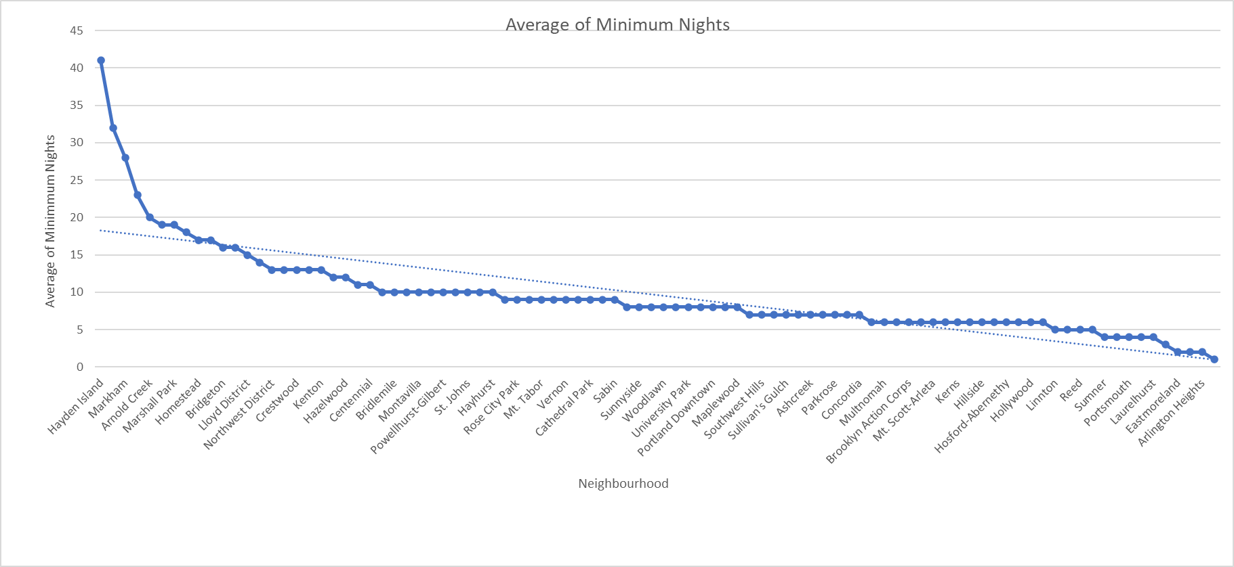
 |  |  |  |  |  |  |  |  |  |  |  |  | 81
 |  |  |  |  |  |  |  |  |  |  |  |  | 170
 |  |  |  |  |  |  |  |  |  |  |  |  | 72
 |  |  |  |  |  |  |  |  |  |  |  |  | 182
 |  |  |  |  |  |  |  |  |  |  |  |  | 46
 |  |  |  |  |  |  |  |  |  |  |  |  | 105
 |  |  |  |  |  |  |  |  |  |  |  |  | 21
 |  |  |  |  |  |  |  |  |  |  |  |  | 53
 |  |  |  |  |  |  |  |  |  |  |  |  | 104
 |  |  |  |  |  |  |  |  |  |  |  |  | 45
 |  |  |  |  |  |  |  |  |  |  |  |  | 111
 |  |  |  |  |  |  |  |  |  |  |  |  | 84
 |  |  |  |  |  |  |  |  |  |  |  |  | 34
 |  |  |  |  |  |  |  |  |  |  |  |  | 146
 |  |  |  |  |  |  |  |  |  |  |  |  | 88
 |  |  |  |  |  |  |  |  |  |  |  |  | 167
 |  |  |  |  |  |  |  |  |  |  |  |  | 68
 |  |  |  |  |  |  |  |  |  |  |  |  | 54
 |  |  |  |  |  |  |  |  |  |  |  |  | 224
 |  |  |  |  |  |  |  |  |  |  |  |  | 79
 |  |  |  |  |  |  |  |  |  |  |  |  | 265
 |  |  |  |  |  |  |  |  |  |  |  |  | 327
 |  |  |  |  |  |  |  |  |  |  |  |  | 119
 |  |  |  |  |  |  |  |  |  |  |  |  | 92
 |  |  |  |  |  |  |  |  |  |  |  |  | 298
 |  |  |  |  |  |  |  |  |  |  |  |  | 126
 |  |  |  |  |  |  |  |  |  |  |  |  | 59
 |  |  |  |  |  |  |  |  |  |  |  |  | 158
 |  |  |  |  |  |  |  |  |  |  |  |  | 97
 |  |  |  |  |  |  |  |  |  |  |  |  | 147
 |  |  |  |  |  |  |  |  |  |  |  |  | 69
 |  |  |  |  |  |  |  |  |  |  |  |  | 106
 |  |  |  |  |  |  |  |  |  |  |  |  | 179
 |  |  |  |  |  |  |  |  |  |  |  |  | 74
 |  |  |  |  |  |  |  |  |  |  |  |  | 6
 |  |  |  |  |  |  |  |  |  |  |  |  | 117
 |  |  |  |  |  |  |  |  |  |  |  |  | 206
 |  |  |  |  |  |  |  |  |  |  |  |  | 40
 |  |  |  |  |  |  |  |  |  |  |  |  | 192
 |  |  |  |  |  |  |  |  |  |  |  |  | 60
 |  |  |  |  |  |  |  |  |  |  |  |  | 83
 |  |  |  |  |  |  |  |  |  |  |  |  | 131
 |  |  |  |  |  |  |  |  |  |  |  |  | 119
 |  |  |  |  |  |  |  |  |  |  |  |  | 36
 |  |  |  |  |  |  |  |  |  |  |  |  | 76
 |  |  |  |  |  |  |  |  |  |  |  |  | 127
 |  |  |  |  |  |  |  |  |  |  |  |  | 62
 |  |  |  |  |  |  |  |  |  |  |  |  | 73
 |  |  |  |  |  |  |  |  |  |  |  |  | 140
 |  |  |  |  |  |  |  |  |  |  |  |  | 43
 |  |  |  |  |  |  |  |  |  |  |  |  | 55
 |  |  |  |  |  |  |  |  |  |  |  |  | 94
 |  |  |  |  |  |  |  |  |  |  |  |  | 91

585 | 1056 | 385 | 761 | 585 | 865 | 547 | 374 | 648 | 1525 | 477 | 768 | 815

Question 2 - Average
Average Cost of stay

 | January | February | March | April | May | June | July | August | September | October | November | December | No Data

 | $8,150.80 | $10,778.62 | $2,416.43 | $15,780.98 | $12,367.50 | $14,841.88 | $10,549.24 | $7,033.21 | $12,726.08 | $12,949.86 | $5,283.75 | $6,214.89 | $8,833.79
Sum of Average Cost of Stay

 |  |  |  |  |  |  |  |  |  |  | $43,572.72
 |  |  |  |  |  |  |  |  |  |  | $127,927.04
 |  |  |  |  |  |  |  |  |  |  | 34.06%

Question 3
Sum of Minimum Income Per Stay

 | January | February | March | April | May | June | July | August | September | October | November | December | No Data

 |  |  |  |  |  |  |  |  |  | $2,036,145.00

 |  |  |  |  |  |  |  |  |  | 0.4187470565

Sum of Minimum Income Per Stay

Question 4
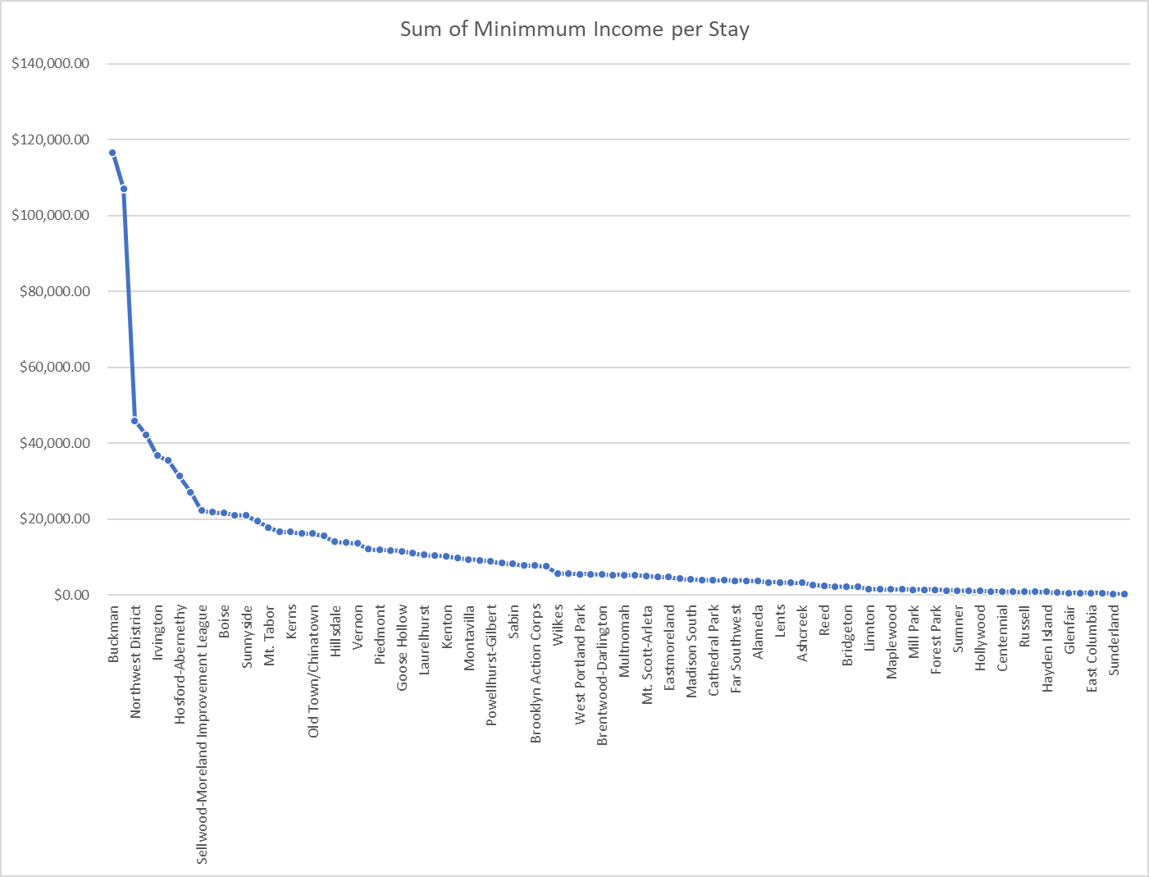
Sum of Minimum Income Per Stay

Question 5
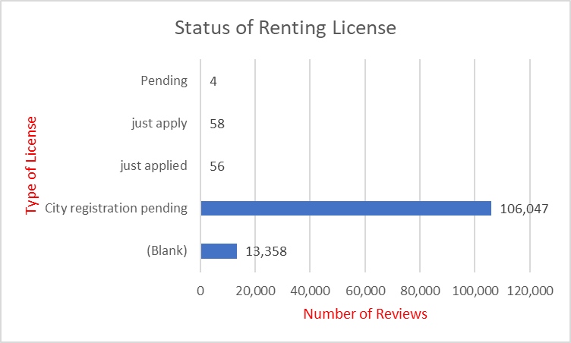
Status of Renting License

Can you add "No Data" in A4?
Can you capitalize the words in column A?
Combine rows 6 and 7?

Question 6
Bedrooms by Rental Type

Minimum Required Nights Stay

Can you combine "2 beds" in column C with "2 bedroom" in column L?
Capitalize the headers in column A
Reformat the column headers in row 4?

